New Era
 |  |  |  |  |  |  |  |  |  |  |  | 28774 |  | € 1,031,620.00
PIC | Brand | Line | Gender | SKU | Club | Description | HS Code | CoO | Uni | S/M | M/L | QTY | RRP | Total RRP
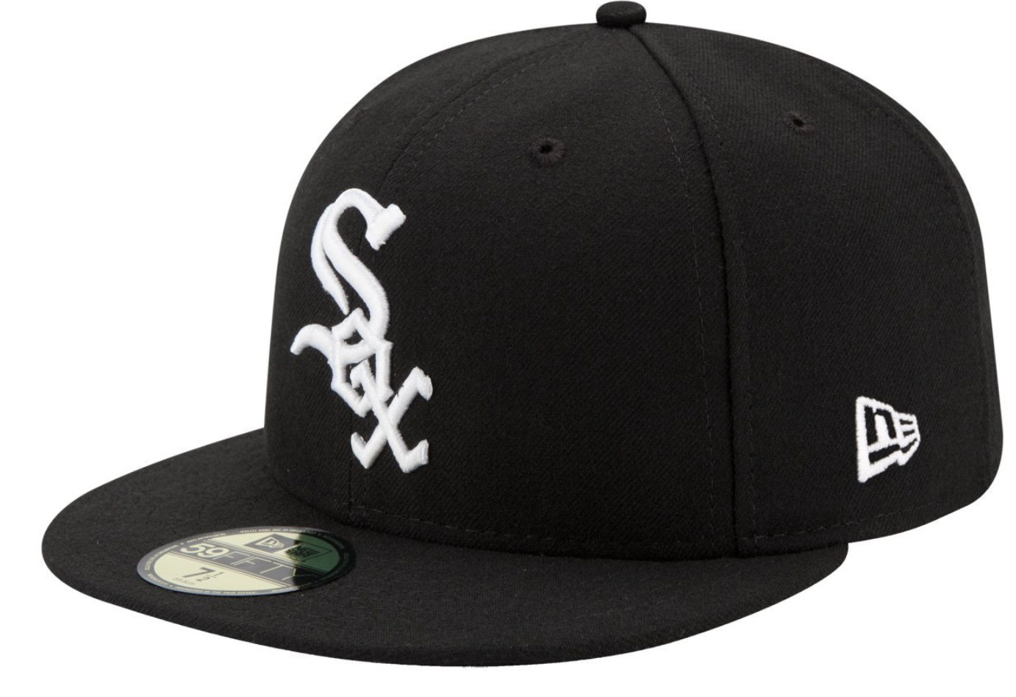 | New Era | Essentials 9FIFTY | Unisex Adults | 60245397 | Chicago | MLB 9Fifth Chicago White Sox | 65050030 | China |  | 8581 | 7740 | 16321 | € 40.00 | € 652,840.00
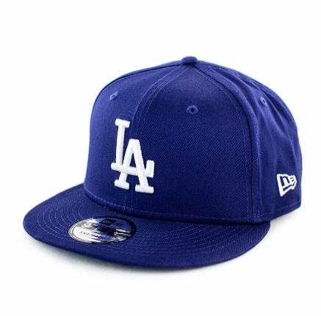 | New Era | Essentials 9FIFTY | Unisex Adults | 10531954 | LA | MLB 9Fifth Los Angles Dodgers Blue | 65050030 | China |  |  | 4511 | 4511 | € 40.00 | € 180,440.00
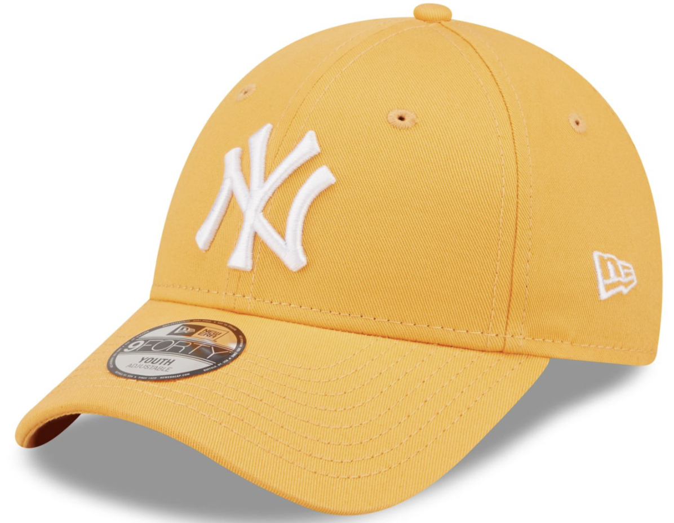 | New Era | NY Yankees | Unisex Junior | 373552 | NY | Junior NY Yankees Gold | 65050030 | China | 4006 |  |  | 4006 | € 22.00 | € 88,132.00
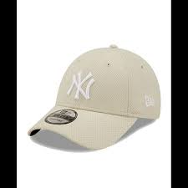 | New Era | NY Yankees | Unisex Adults | 60222392 | NY | NY Yankees Stone | 65050030 | China | 3936 |  |  | 3936 | € 28.00 | € 110,208.00

